Tech Design
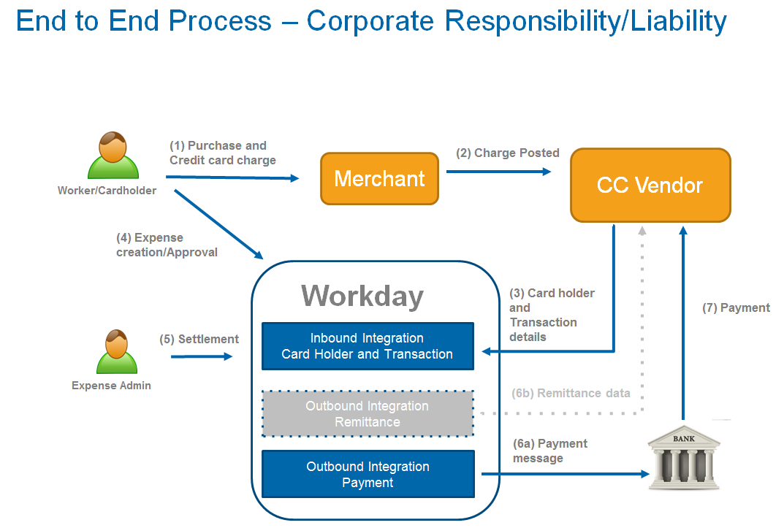
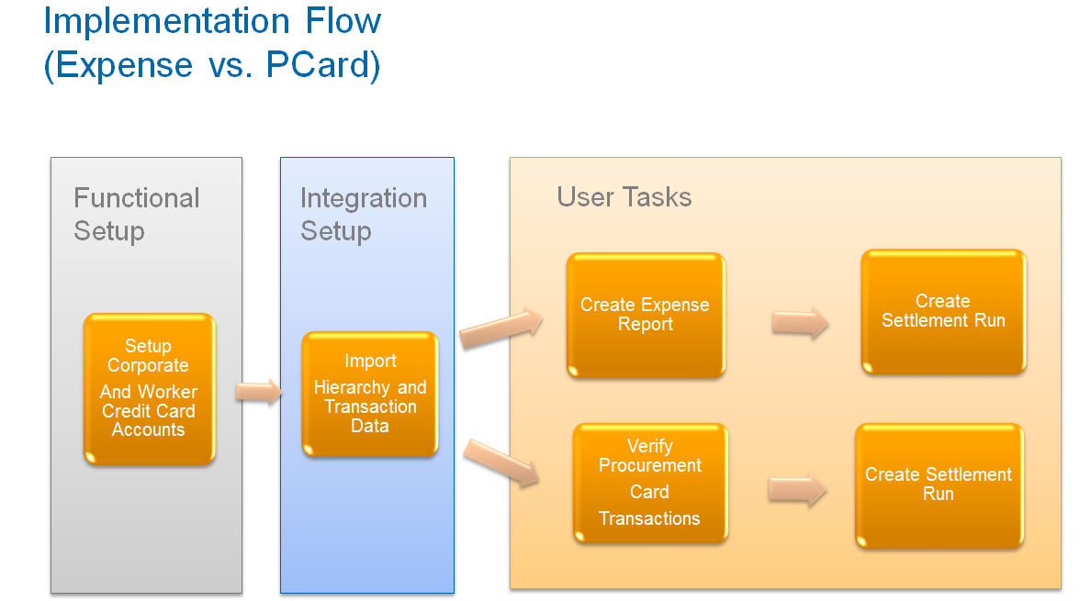
Logic and Assumptions |  | Details from Sample File
Prerequisite | Corporate Card Account is configured in the tenant. This is a mandatory step before processing the files. | In the sample file attached the the lines between record type 03 (lines 2 to 5) represents the Credit Card Details and the Corporate Credit Card Account Details. The same file we used the corporate credit card account as 1111432143217040. The tokenized credit card in the sample file is : 1111123412341315. If you change the Corporate credit card account in the file, make sure to update at other places like transactions related to this corporate card account as per the visa file specification. For EX: Lines from 11 to 20 in the sample file refers the expense transactions and field 42 (char position 616)is the corporate credit card account.
1 | The worker credit card number should always be masked or tokenized, before submitting into workday. Only the last 4 digits should be visible.
2 | Customer needs to maintain the accuracy of Employee ID to the Credit Card Number with Bank. | In the sample file record type 04(lines 6 to 9) represents the employee details and the corresponding credit card. In the sample file, we used the LOGAN MCNEIL the emplyee id was provided in the line 7. Employee ID is Field 23 and the position in the sample file is 573. The employee id of Logan is 21001. These vlaues must be a valid one from your tenent. Please make sure to test with a valid employee and also ensure to maintain the same lengths for the fileds after updating the data. Missing spaaces for a filed may cause load to fail.
3 | Load all existing Worker Credit Cards in to the target Tenant, prior to scheduling the integration.
4 | The integration is designed to Maintain the Credit Card updates and Transaction loads.
6 | Employee id on the incoming Expense file should match that on the tenant.
7 | The client is responsible for other configurations ( BP enabling, Corporate CC account, Worker CC account, Merchant code, locations, currencies , etc…)
8 | MCC codes will be setup in Production prior to deploying this integration in Production
9 | Corporate Credit Card Account should be defined in the tenant and should match the Corporate Credit Card Account on the VCF file. This is a prerequisite in order to load Worker Credit Card definitions and expense transactions.
10 | The integration can handle VCF starter file and daily files
11 | Files are read one at a time. The integration can handle multiple files if available in the SFTP directory.
12 | Inbound file are retrieved, copied on the W:drive ,deleted from the SFTP server , then processed.
13 | VCF Transactions IDs have to be unique in order to avoid transactions from being overwritten.
14 | This integration doesn't cover payment or remittance integration. This will be handled in a different integration if needed.
15 | Integration can handle multiple Corporate Account per file
16 | Note: If Visa sends a file with record type numbers as single digit instead of 2 digits, then you may need to update the Refactor_XML.xsl file to ensure the data is processed right.

Integration Process flow, Technical Design, and other details

